Sheet1
 |  |  |  |  | box size
pictures | fabric | name | Qty | amazon price | Length | Width | Height | weight
 | The seat cushion surface is 25% artificial leather, and the bottom surface of the seat cushion is 75% vegetable-tanned leather (including 5% cowhide within the 75%). | Swivel Bar Stool 2-piece Set | 101 | $159.99 | 68 | 45 | 27.5 | 21.8
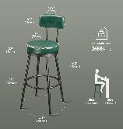 | The seat cushion surface is 25% artificial leather, and the bottom surface of the seat cushion is 75% vegetable-tanned leather (including 5% cowhide within the 75%). | Swivel Bar Stool 2-piece Set | 58 | $159.99 | 68 | 45 | 27.5 | 21.8
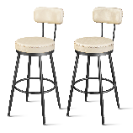 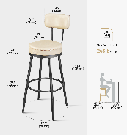 | The seat cushion surface is 25% artificial leather, and the bottom surface of the seat cushion is 75% vegetable-tanned leather (including 5% cowhide within the 75%). | Swivel Bar Stool 2-piece Set | 47 | $159.99 | 68 | 45 | 27.5 | 21.8
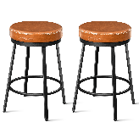 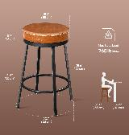 | The seat cushion surface is 25% artificial leather, and the bottom surface of the seat cushion is 75% vegetable-tanned leather (including 5% cowhide within the 75%). | Swivel Bar Stool 2-piece Set | 73 | $129.99 | 54.5 | 45 | 26 | 17.9
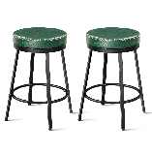 | The seat cushion surface is 25% artificial leather, and the bottom surface of the seat cushion is 75% vegetable-tanned leather (including 5% cowhide within the 75%). | Swivel Bar Stool 2-piece Set | 26 | $129.99 | 54.5 | 45 | 26 | 17.9
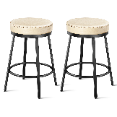 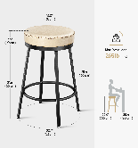 | The seat cushion surface is 25% artificial leather, and the bottom surface of the seat cushion is 75% vegetable-tanned leather (including 5% cowhide within the 75%). | Swivel Bar Stool 2-piece Set | 35 | $129.99 | 54.5 | 45 | 26 | 17.9

 |  |  | 340

